Sheet1
 | Document No. |  | Issue No. | Issue Date |  |  | Review and Replace Date |  | Authorised By
 | GFF433MC |  | 4 | 19.03.2024 |  |  | 24.07.2025 |  | Magda Shah
 | Document Title |  | Spicy Stir Fried Chicken Noodles 300g
Document amendments reason for change | Spork Removed |  |  | Page 1 of 1 |  | Previous Issue Date |  | 28.01.2025 | Uncontrolled copy unless signed original

FROZEN
CHILLED
CCNO-R8T & FCNO-R8T |  | Gazebo Cuisine |  | Spicy Stir Fried Chicken Noodles 300g
STEP 1
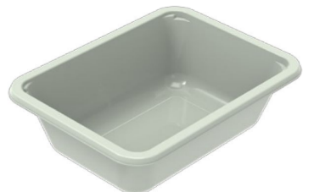 |  |  |  |  | 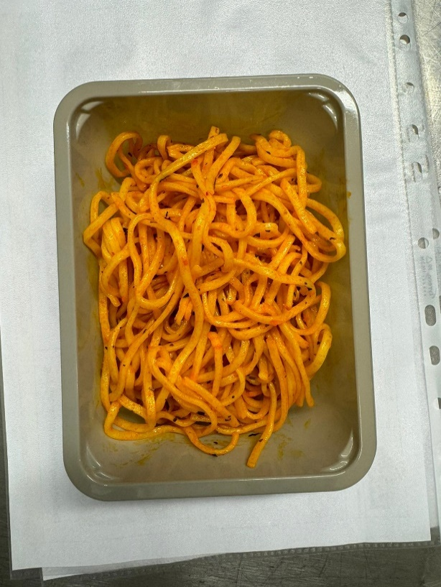

COOK
+
14 DAYS

Tray: EVOLVE CPET 2171-1F FROST (PKRHP001-14) |  |  |  |  | Stir Fried Noodles (GFF474R): 200g
Film: K Peel 3G 25µm (275mmX1000lm) (PKKMP001-04)
STEP 3 |  |  |  |  | STEP 4
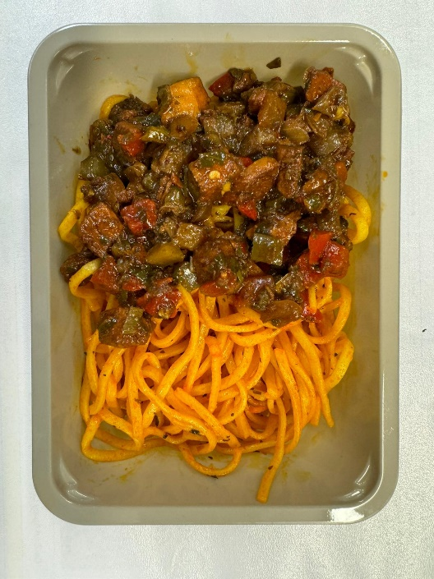

Stir Fried Chicken (GFF475R): 100g |  |  |  |  | Spicy Stir Fried Chicken Noodles 300g |  |  |  | Total Weight: 300g

ALLERGY ALERT: Egg, Soya, Wheat

